t-table
Student's T distribution
t-table

The table summarizes the t-distribution critical values. The rows represent the degrees of freedom, while the columns - common alphas.

T-distribution (Student's t-distribution):
A probability distribution with a Bell Curve i.e. similar to the normal distribution. The t-test can be used to test a population mean (in much the same way as the z-test). However, where the z-test requires a population size n > 25 the t-test can be used for small population sizes n < 25.
Also, the t-test can be used where the standard deviation of the population is unknown.
The t-distribution has fatter tails: The ends of the curve (the “tails”) are higher than the normal distribution. This means it’s more likely to have values that are far away from the middle.
d.f. / α | 0.1 | 0.05 | 0.025 | 0.01 | 0.005
1 | 3.078 | 6.314 | 12.706 | 31.821 | 63.657
2 | 1.886 | 2.920 | 4.303 | 6.965 | 9.925
3 | 1.638 | 2.353 | 3.182 | 4.541 | 5.841
4 | 1.533 | 2.132 | 2.776 | 3.747 | 4.604
5 | 1.476 | 2.015 | 2.571 | 3.365 | 4.032
6 | 1.440 | 1.943 | 2.447 | 3.143 | 3.707
7 | 1.415 | 1.895 | 2.365 | 2.998 | 3.499
8 | 1.397 | 1.860 | 2.306 | 2.896 | 3.355
9 | 1.383 | 1.833 | 2.262 | 2.821 | 3.250
10 | 1.372 | 1.812 | 2.228 | 2.764 | 3.169
11 | 1.363 | 1.796 | 2.201 | 2.718 | 3.106
12 | 1.356 | 1.782 | 2.179 | 2.681 | 3.055
13 | 1.350 | 1.771 | 2.160 | 2.650 | 3.012
14 | 1.345 | 1.761 | 2.145 | 2.624 | 2.977
15 | 1.341 | 1.753 | 2.131 | 2.602 | 2.947
16 | 1.337 | 1.746 | 2.120 | 2.583 | 2.921
17 | 1.333 | 1.740 | 2.110 | 2.567 | 2.898
18 | 1.330 | 1.734 | 2.101 | 2.552 | 2.878
19 | 1.328 | 1.729 | 2.093 | 2.539 | 2.861
20 | 1.325 | 1.725 | 2.086 | 2.528 | 2.845
21 | 1.323 | 1.721 | 2.080 | 2.518 | 2.831
22 | 1.321 | 1.717 | 2.074 | 2.508 | 2.819
23 | 1.319 | 1.714 | 2.069 | 2.500 | 2.807
24 | 1.318 | 1.711 | 2.064 | 2.492 | 2.797
25 | 1.316 | 1.708 | 2.060 | 2.485 | 2.787
26 | 1.315 | 1.706 | 2.056 | 2.479 | 2.779
27 | 1.314 | 1.703 | 2.052 | 2.473 | 2.771
28 | 1.313 | 1.701 | 2.048 | 2.467 | 2.763
29 | 1.311 | 1.699 | 2.045 | 2.462 | 2.756
30 | 1.310 | 1.697 | 2.042 | 2.457 | 2.750
35 | 1.306 | 1.690 | 2.030 | 2.438 | 2.724
40 | 1.303 | 1.684 | 2.021 | 2.423 | 2.704
50 | 1.299 | 1.676 | 2.009 | 2.403 | 2.678
60 | 1.296 | 1.671 | 2.000 | 2.390 | 2.660
120 | 1.289 | 1.658 | 1.980 | 2.358 | 2.617
inf. | 1.282 | 1.645 | 1.960 | 2.326 | 2.576
CI* | 80% | 90% | 95% | 98% | 99%

*CI stands for confidence intervals

Example
Student's T distribution
t-table

The table summarizes the t-distribution critical values. The rows represent the degrees of freedom, while the columns - common alphas.

d.f. / α | 0.1 | 0.05 | 0.025 | 0.01 | 0.005 | Example
1 | 3.078 | 6.314 | 12.706 | 31.821 | 63.657
2 | 1.886 | 2.920 | 4.303 | 6.965 | 9.925 | Question: what is the critical value for an α = 0.05 with 10 d.f. (degrees of freedom)
3 | 1.638 | 2.353 | 3.182 | 4.541 | 5.841
4 | 1.533 | 2.132 | 2.776 | 3.747 | 4.604 | Step 1: | Search for the column header that shows the appropriate α
5 | 1.476 | 2.015 | 2.571 | 3.365 | 4.032
6 | 1.440 | 1.943 | 2.447 | 3.143 | 3.707 | Step 2: | Search for the row header that shows the appropriate d.f.
7 | 1.415 | 1.895 | 2.365 | 2.998 | 3.499
8 | 1.397 | 1.860 | 2.306 | 2.896 | 3.355 | Step 3: | The critical value ( t ), is given in the cell that is the intersection of the row and column you have found beforehand
9 | 1.383 | 1.833 | 2.262 | 2.821 | 3.250
10 | 1.372 | 1.812 | 2.228 | 2.764 | 3.169 | Answer: | t 10 , 0.05 = 1.812
11 | 1.363 | 1.796 | 2.201 | 2.718 | 3.106
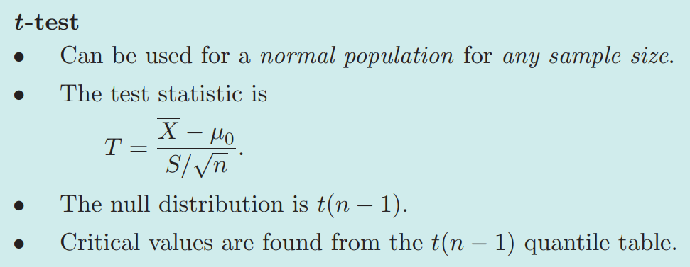
12 | 1.356 | 1.782 | 2.179 | 2.681 | 3.055
13 | 1.350 | 1.771 | 2.160 | 2.650 | 3.012
14 | 1.345 | 1.761 | 2.145 | 2.624 | 2.977
15 | 1.341 | 1.753 | 2.131 | 2.602 | 2.947
16 | 1.337 | 1.746 | 2.120 | 2.583 | 2.921
17 | 1.333 | 1.740 | 2.110 | 2.567 | 2.898
18 | 1.330 | 1.734 | 2.101 | 2.552 | 2.878
19 | 1.328 | 1.729 | 2.093 | 2.539 | 2.861
20 | 1.325 | 1.725 | 2.086 | 2.528 | 2.845
21 | 1.323 | 1.721 | 2.080 | 2.518 | 2.831
22 | 1.321 | 1.717 | 2.074 | 2.508 | 2.819
23 | 1.319 | 1.714 | 2.069 | 2.500 | 2.807
24 | 1.318 | 1.711 | 2.064 | 2.492 | 2.797
25 | 1.316 | 1.708 | 2.060 | 2.485 | 2.787
26 | 1.315 | 1.706 | 2.056 | 2.479 | 2.779
27 | 1.314 | 1.703 | 2.052 | 2.473 | 2.771
28 | 1.313 | 1.701 | 2.048 | 2.467 | 2.763
29 | 1.311 | 1.699 | 2.045 | 2.462 | 2.756
30 | 1.310 | 1.697 | 2.042 | 2.457 | 2.750
35 | 1.306 | 1.690 | 2.030 | 2.438 | 2.724
40 | 1.303 | 1.684 | 2.021 | 2.423 | 2.704
50 | 1.299 | 1.676 | 2.009 | 2.403 | 2.678
60 | 1.296 | 1.671 | 2.000 | 2.390 | 2.660
120 | 1.289 | 1.658 | 1.980 | 2.358 | 2.617
inf. | 1.282 | 1.645 | 1.960 | 2.326 | 2.576
CI* | 80% | 90% | 95% | 98% | 99%

*CI stands for confidence intervals

